Sheet1
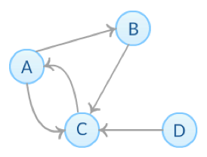
k=0 | old auth | old hub | new auth | new hub
A | 1 | 1 | 1 | 2
B | 1 | 1 | 1 | 1
C | 1 | 1 | 3 | 1
D | 1 | 1 | 0 | 1
 |  |  | 5 | 5

k=1 | old auth | old hub | new auth | new hub
A | 0.2 | 0.4 | 0.2 | 0.8
B | 0.2 | 0.2 | 0.4 | 0.6
C | 0.6 | 0.2 | 0.8 | 0.2
D | 0 | 0.2 | 0 | 0.6
 |  |  | 1.4 | 2.2

k=2 | old auth | old hub | new auth | new hub
A | 0.14285714286 | 0.36363636364
B | 0.28571428571 | 0.27272727273
C | 0.57142857143 | 0.090909090909
D | 0 | 0.27272727273
 |  |  | 0 | 0

